Steps to get Machine Details
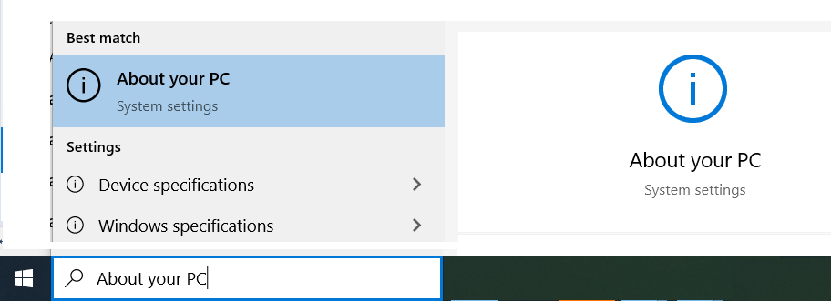
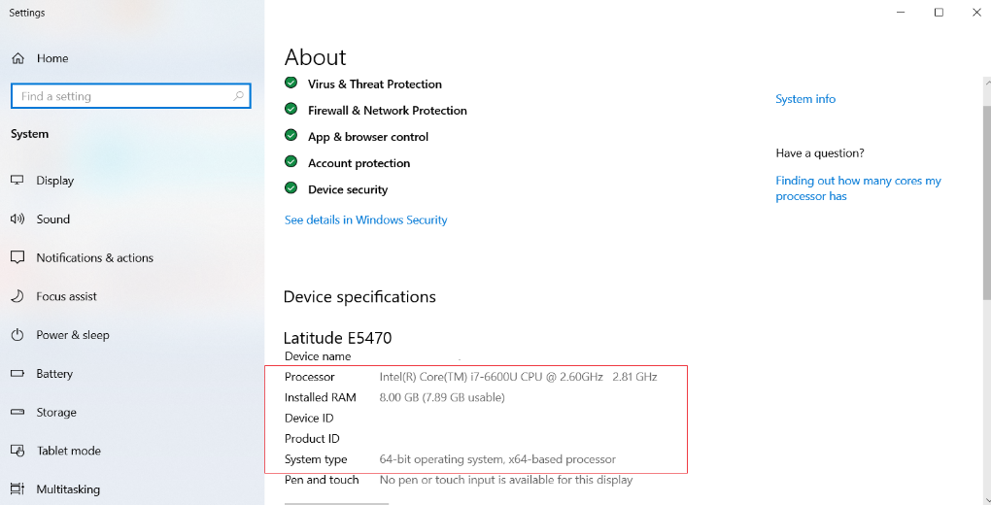
Operating Systems

Windows 10
 | 1> Click on Start Button
 | 2> Type in - About your PC
 | 3> Click on About your PC (system settings) to launch application
 | 4> Note down required details - Processor, Installed RAM & System Type
 | 5> Update sheet with information noted as per step 4.

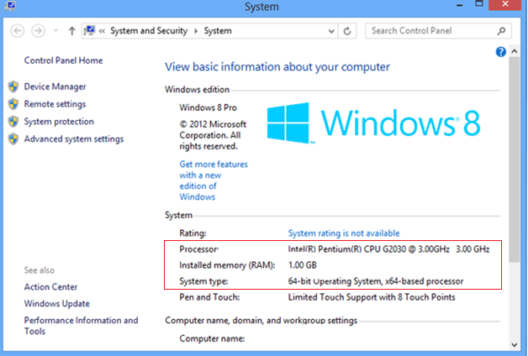
Windows 8 / 8.1
 | 1> Right click on Computer (or My Computer) and click on Properties option
 | 2> System window will be launched as dispalyed
 | 3> Note down required details - Processor, Installed RAM & System Type
 | 4> Update sheet with information noted as per step 3.

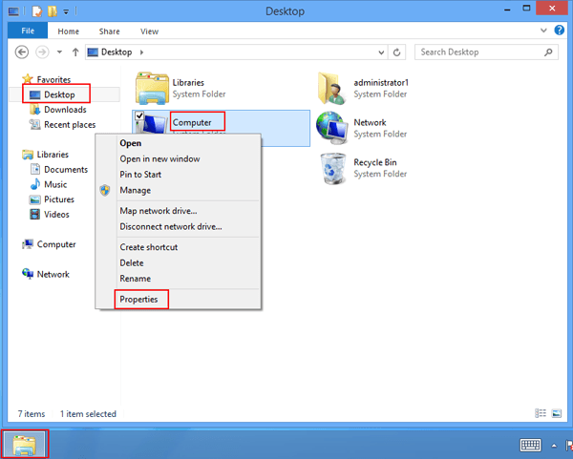
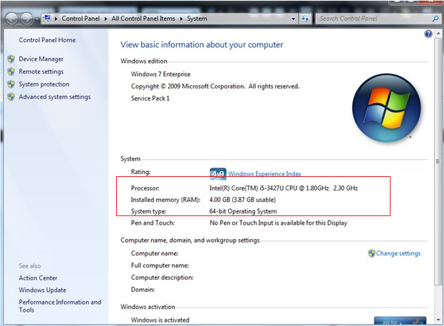
Windows 7 / Vista
 | 1> Right click on Computer (or My Computer) and click on Properties option
 | 2> System window will be launched as dispalyed
 | 3> Note down required details - Processor, Installed RAM & System Type
 | 4> Update sheet with information noted as per step 3.

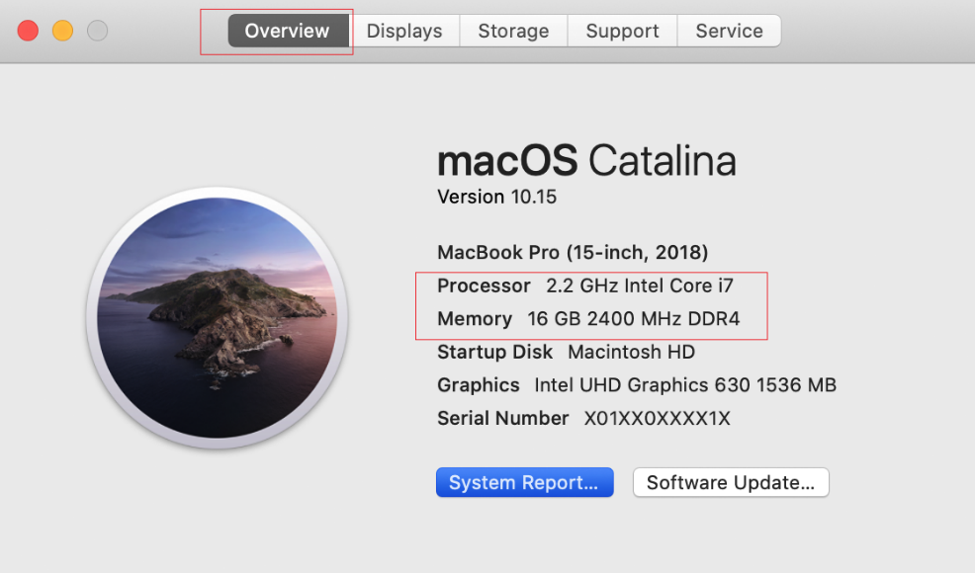
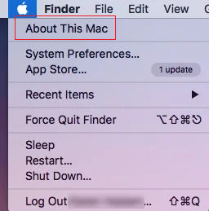
Mac OS
 | 1> Choose Apple Menu
 | 2> Click on "About This Mac"
 | 3> Go to Overview tab on the dialog dispalyed
 | 4> Note down required details - Processor, Installed RAM & System Type
 | 5> Update sheet with information noted as per step 4.

